DRMS - Technical Revisions
Colorado Department of Reclamation, Mining, and Safety (DRMS) Technical Revisions

Date | Technical Revision | Action
1998 |  | Swede Ditch which run salong the wet rim of C-Pit was all enclosed ina. 4 foot diameter corrugated steel pipe in 1998 in preprartion for conversion of C-Pit from active quarry to CKD Storage
1999 |  | * C-Pit was prepared in 1999 to be converted to disposal area for CKD * It was designed for 600,000 cubic yards over the next 20 years (1999) | https://dnrweblink.state.co.us/DRMS/PDF/cev112kzrg2udqed5qdom0ft/1/_REVISION%20-%20M1977208%20(3).pdf
1999-08-02 |  | DRMS Approves CKD from adjacent Lyons cement plant into the quarry pit
2000-01-31 | TR1 | Approval of CKD Displosal with TR-1 | https://dnrweblink.state.co.us/drms/0/doc/532930/Page1.aspx?searchid=67d40dfb-3d1f-40a1-8860-feea6de67c5e

2003-09-02 | TR2 | Approval of 10-acre on-site disposal area to dispose of concrete rubble for use at the close of demolition of concrete plant | https://dnrweblink.state.co.us/drms/0/doc/603485/Page1.aspx?searchid=fb229ab6-31f0-4342-bfdf-8c6330966a5d
 |  | - 30 to 45 feet of concrete deep (3-4 stories), 80,000 cubic yards | https://dnrweblink.state.co.us/drms/0/doc/562871/Page1.aspx?searchid=fb229ab6-31f0-4342-bfdf-8c6330966a5d
 |  | - 10 acres = 6 square city blocks

2004-12-23 | TR3 | Revise the reclamation plant to include the retention of roads, reclamation of the leiding Pond highwall and instllation of a 6-foot chain link fence with barbed wire along the A-Pit highwall
2005-02-28 | TR4 | Revise the sampling, analysi and reporting plan for the ground water monitorin and compliance points - Pump water from C-Pit to Plant
2005-02-28 | TR5 | Handling C-Pit water
2006-01-17 | TR6 | Further modifiation of C-Pit to Plant Pumping System, Purchasing and Installing the Acid Tank and Neutralization System | https://dnrweblink.state.co.us/drms/0/doc/552884/Page1.aspx?searchid=0bdf3462-50f3-44ef-ae55-5177f7d1399d
2006-03-29 | TR7 | Treating C-Pit Water for Selenium and pH Levels | https://dnrweblink.state.co.us/DRMS/PDF/cev112kzrg2udqed5qdom0ft/5/2006-03-31_REVISION%20-%20M1977208.pdf
 |  |  | https://dnrweblink.state.co.us/drms/0/doc/566139/Page1.aspx?searchid=0844a2c1-1e1a-4589-a47a-bd260bde4ac5
2007-05-09 | TR8 | Conduct investigations at C-Pit and Install Compliance Well, Using Dowe Flats material to fill in C-Pit | https://dnrweblink.state.co.us/drms/0/doc/597087/Page1.aspx?searchid=280b474c-1dc1-46a7-9e4b-e50ca6ad8f65
2008-11-19 | TR9 | Continued Monitorin of C-Pit, Address Seepage Migration into C-Pit and Dispose of Used Kiln Brick into C-Pit | https://dnrweblink.state.co.us/drms/0/doc/873872/Page1.aspx?searchid=f4537d29-b197-467f-8baa-0becb3a49846
 |  | "The quality of C-Pit water has degraded sufficiently to raise concrns for potential waterfowl exposure"

 | TR10 | Elimination of Risks to Waterfowl | C-Pit - Infiltration of Water into this Area LImited the Use of this Arewa for Purpose of Disposal of CKD
 |  | - Net Damanged in Multiple Windstorms and Beyond Repiar | https://dnrweblink.state.co.us/drms/0/doc/863603/Page1.aspx?searchid=cbdbc8ec-ef36-447e-aaa9-ca98b14714c4
 | TR11 | Revised Water Monitoring; Updates on C-Pit and CKD Monitoring issues, and Continued use of C-Pit for CKD DIsposal
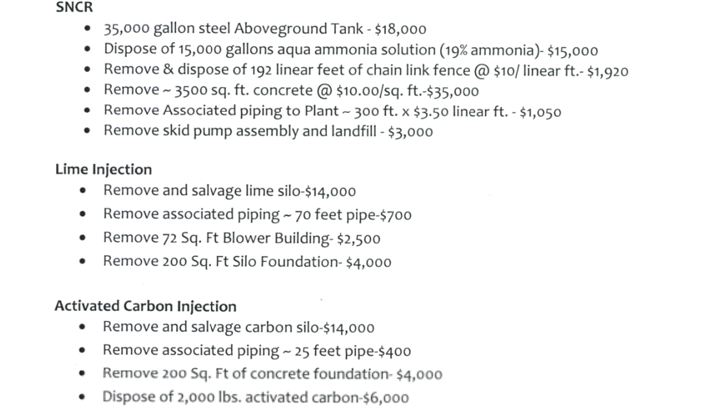
2014-06-17 | TR12 | Updates to Water Quality. Monitoring Goals and Placing of Sediment from Flood into C-Pit
 |  | - C-Pit CDK Storage limited by DRMS ...

2015-05-13 | TR13 | Update Bond for Installation of Several Plant Environmental Systems Being Installed | https://dnrweblink.state.co.us/drms/0/doc/1068410/Page1.aspx?searchid=cb4f96df-8ed2-45a5-8de8-3fe39a63b323
 |  | - Activated Carbon Injetion (ACI) System to Reduce Mercury Emissions from the Kiln Flue Gas
 |  | - Lime Injection System (LIS) designed to allow for alternative monitoring for HCI Emissions
 |  | - ACI and LIS will deliver powder directly into effluent gas streams of the kiln
 |  | - Install Selective Non-Catalytic Reduction (SNCR) in order to comply with US EPA Consect Decree and control NOx Emissions
 |  | - SNCR is a 35,000 gallon aboveground storage tank with secondary containment and fencing,
 |  | - Associated Pump Building
 |  | - Demolition Estimate of $127,127

2015-10-16 | TR14 | TR - 14 - Weed Management Plan | https://dnrweblink.state.co.us/drms/0/doc/1095777/Page1.aspx?searchid=df9f737f-2dcc-4e57-b8ad-b81f5f7c3b63

2016-06-27 | TR15 | Addition of Activated Carbon and Hydrated Lime into the Kiln Exhaust System, and Subsequent DIsposal of the Altered CKD in C-Pit

2018-02-27 | TR16 | TR - 16 - Approved Recalmation Seed Mixtures

 | TR17 | Better CKD DIsposal Practices to Minimize Fugitive CKD Dust Events
 |  | - Extension REquest to August 31, 2022
 |  | - Automated Sprinkler system to Water CKD Disposal Site

Major Activities
* Relocated Boulder Feeder Canal from 1981 to 1987
* Enclosed Swede Ditch in a 4 foot Steel Pipe to convert C-Pit to CKD Storage
* Purchasing and Installing Acid Tank and Neutrailzation System
*Pumping water from C-Pit back to the Plant
*Starting using C-Pit for CKD Storagage in 1999 after C-Pit was mined out in 1993

